Mind Map
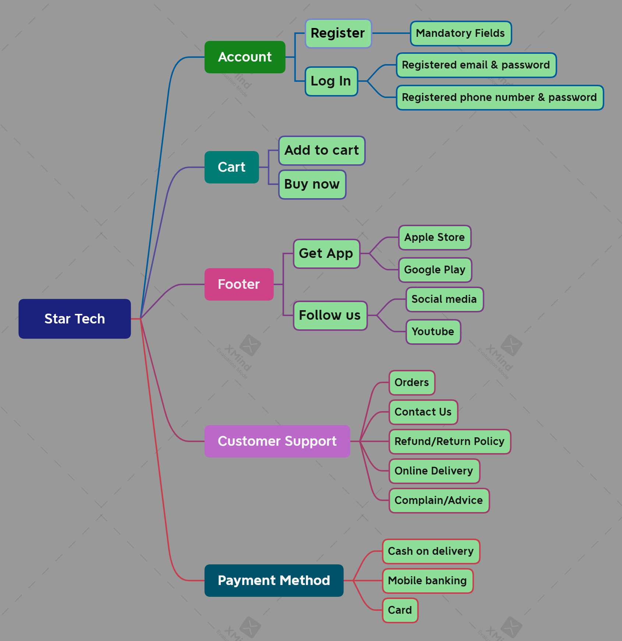

Teat Summary Report
Test Case Report |  |  |  |  |  | Result
Project Name | Star Tech | Online Shopping platform |  |  |  |  | Status | Total
Module Name | Account |  |  |  |  | Pass | 55
Feature Name | Register & Log In |  |  |  |  | Fail | 7 | New Features: | Testing Scope | Testing Environment: Google Chrome Browser
Test Case Version | 1 |  |  |  |  | Not Executed | 0
Written By | Tamanna Noshi |  |  |  |  | Out of Scope | 0
Excuted By | Tamanna Noshi
Test Case Report
Reviewed By

TEST EXECUTION REPORT
Test Case | Pass | Fail | Not Excuted | Out of Scope | Total Test Case
 | 55 | 7 | 0 | 0 | 62

LIMITATIONS
Documents |  | Received |  | Useful
PRD |  | No |  | No
User Story |  | No |  | No

 | Testing Type in Scope |  | Description

YES/NO. juctification(If No:) | Functional Testing |  | Functional Testing is a type of software testing that validates the software system against the functional requirements/specifications.
YES/NO. juctification(If No:) | Integration Testing |  | Integration testing is a type of software testing in which the different units, modules or components of a software application are tested as a combined entity.
YES/NO. juctification(If No:) | Negative Testing |  | Testing having the mindset of “attitude to break” using incorrect data and invalid inputs.
YES/NO. juctification(If No:) | Usability Testing |  | This is done from an end user’s perspective to determine if the system is easily usable.
YES/NO. juctification(If No:) | Browser Compatibility Testing |  | Browser compatibility test is an assessment used to ensure a software application is properly working across different browsers, databases, operating systems (OS), mobile devices, networks and hardware.
YES/NO. juctification(If No:) | Boundary Value Tesing |  | Boundary testing is the process of testing between extreme ends or boundaries between partitions of the input values. So these extreme ends like Start- End, Lower- Upper, Maximum-Minimum, Just Inside-Just Outside values are called boundary values and the testing is called “boundary testing”.
YES/NO. juctification(If No:) | Risk Based Testing or Regression Testing |  | Risk-Based Testing includes testing of highly critical functionality, which has the highest impact on business and in which the probability of failure is very high. Testing an application as a whole for the modification in any module or functionality is termed as Regression Testing.

